Guest Rate Safari Sheet 2
 

JIM CORBETT NATIONAL PARK

RIGHT PLACE TO EXPERIENCE THRILL, ADVANTURE, CRAZINESS & WILDLIFE

Call 99972-88805

INDIAN CURRENT SAFARI (Within 4 Days)

Include- Jeep, Guide, Permit, Pickup & Drop Safari Gate
Zone | Rate | 5% GST Rate | Morning Time | Afternoon Time | Resort To Safari Gate Distance
Durga Devi Zone | 9100/- | 9555/- | 6:00 To 10:00 A.M. | 2:30 To 6:30 P.M. | 54 Km (2 Hours)
Dhela Zone | 9100/- | 9555/- | 6:00 To 10:00 A.M. | 2:30 To 6:30 P.M. | 41 Km (1.30 Hours)
Jhirna Zone | 9100/- | 9555/- | 6:00 To 10:00 A.M. | 2:30 To 6:30 P.M. | 41 Km (1.30 Hours)
Garjiya Zone | 9100/- | 9555/- | 6:00 To 10:00 A.M. | 2:30 To 6:30 P.M. | 31 Km (1 Hour)
Bijrani Zone | 9100/- | 9555/- | 6:00 To 10:00 A.M. | 2:30 To 6:30 P.M. | 28 Km (1 Hour)

Location | Pickup/Drop |  | Dzire | Ertiga | Innova Crysta
Resort To Dhela Gate | Round Trip |  | 5200/- | 6500/- | 7800/-
Resort To Bijrani Gate | Round Trip |  | 5200/- | 6500/- | 7800/-
Resort To Jhirna Gate | Round Trip |  | 5200/- | 6500/- | 7800/-
Resort To Garjiya Gate | Round Trip |  | 5200/- | 6500/- | 7800/-
Resort To Duga Devi Gate | Round Trip |  | 6500/- | 7800/- | 9800/-

It is Mandatory to pay 5% GST as per government rules.

Note- You can visit only one zone at a time
Note- Pickup & Drop will be done from the Ramnagar

INDIA PRE-BOOKING SAFARI DETAILS

Include- Jeep, Guide, Permit, Ramnagar Pickup & Drop (PNGGovt. PG College, Ramnagar)
Zone | Rate | 5% GST Rate | Morning Time | Afternoon Time | Resort To Ramnagar Distance
Bijrani Zone | 8000/- | 8400/- | 6:00 To 10:00 A.M. | 2:30 To 6:30 P.M. | 27 Km (1 Hour)
Dhela Zone | 8000/- | 8400/- | 6:00 To 10:00 A.M. | 2:30 To 6:30 P.M. | 27 Km (1 Hour)
Jhirna Zone | 8000/- | 8400/- | 6:00 To 10:00 A.M. | 2:30 To 6:30 P.M. | 27 Km (1 Hour)
Garjiya Zone | 8000/- | 8400/- | 6:00 To 10:00 A.M. | 2:30 To 6:30 P.M. | 27 Km (1 Hour)
Durga Devi Zone | 8000/- | 8400/- | 6:00 To 10:00 A.M. | 2:30 To 6:30 P.M. | 27 Km (1 Hour)
Late entries will NOT be adjusted in any other schedule ( No return, No refund, No exchange )
In case of No-Show on the given time, the tickets will be considered cancelled and no refunds would be provided for it


JIM CORBETT NATIONAL PARK

RIGHT PLACE TO EXPERIENCE THRILL, ADVANTURE, CRAZINESS & WILDLIFE

Call 99972-88805

FOREIGNER CURRENT SAFARI (Within 4 Days)

Include- Jeep, Guide, Permit, Pickup & Drop Safari Gate
Zone | Rate | 5% GST Rate | Morning Time | Afternoon Time | Resort To Safari Gate Distance
Bijrani Zone | 13700/- | 14385/- | 6:00 To 10:00 A.M. | 2:30 To 6:30 P.M. | 28 Km (1 Hour)
Dhela Zone | 13700/- | 14385/- | 6:00 To 10:00 A.M. | 2:30 To 6:30 P.M. | 41 Km (1.30 Hours)
Jhirna Zone | 13700/- | 14385/- | 6:00 To 10:00 A.M. | 2:30 To 6:30 P.M. | 41 Km (1.30 Hours)
Garjiya Zone | 13700/- | 14385/- | 6:00 To 10:00 A.M. | 2:30 To 6:30 P.M. | 31 Km (1 Hour)
Durga Devi Zone | 13700/- | 14385/- | 6:00 To 10:00 A.M. | 2:30 To 6:30 P.M. | 54 Km (2 Hours)

Location | Safari Zone Round Trip |  | Dzire | Ertiga | Innova Crysta
Resort To Dhela Gate | Round Trip |  | 5200/- | 6500/- | 7800/-
Resort To Bijrani Gate | Round Trip |  | 5200/- | 6500/- | 7800/-
Resort To Jhirna Gate | Round Trip |  | 5200/- | 6500/- | 7800/-
Resort To Garjiya Gate | Round Trip |  | 5200/- | 6500/- | 7800/-
Resort To Duga Devi Gate | Round Trip |  | 6500/- | 7800/- | 9800/-

It is Mandatory to pay 5% GST as per government rules.

Note- You can visit only one zone at a time
Note- Pickup & Drop will be done from the Ramnagar

FOREIGNER PRE-BOOKING SAFARI DETAILS

Include- Jeep, Guide, Permit, Ramnagar Pickup & Drop (PNGGovt. PG College, Ramnagar)
Zone | Rate | 5% GST Rate | Morning Time | Afternoon Time | Resort To Ramnagar Distance
Bijrani Zone | 12600/- | 13230/- | 6:00 To 10:00 A.M. | 2:30 To 6:30 P.M. | 27 Km (1 Hour)
Dhela Zone | 12600/- | 13230/- | 6:00 To 10:00 A.M. | 2:30 To 6:30 P.M. | 27 Km (1 Hour)
Jhirna Zone | 12600/- | 13230/- | 6:00 To 10:00 A.M. | 2:30 To 6:30 P.M. | 27 Km (1 Hour)
Garjiya Zone | 12600/- | 13230/- | 6:00 To 10:00 A.M. | 2:30 To 6:30 P.M. | 27 Km (1 Hour)
Durga Devi Zone | 12600/- | 13230/- | 6:00 To 10:00 A.M. | 2:30 To 6:30 P.M. | 27 Km (1 Hour)
Late entries will NOT be adjusted in any other schedule ( No return, No refund, No exchange )
In case of No-Show on the given time, the tickets will be considered cancelled and no refunds would be provided for it

JIM CORBETT NATIONAL PARK

RIGHT PLACE TO EXPERIENCE THRILL, ADVANTURE, CRAZINESS & WILDLIFE

Call 99972-88805

INDIAN PRE-BOOKING & CURRENT SAFARI

Include- Jeep, Guide, Permit, Pickup & Drop From Ramnagar
Zone | Rate | 5% GST Rate | Morning Time | Afternoon Time | Resort To Ramnagar Distance
Sitawani Zone | 6300/- | 6615/- | 6:00 To 10:00 A.M. | 2:30 To 6:30 P.M. | 27 Km (1 Hour)
Bhandarpani Zone | 6300/- | 6615/- | 6:00 To 10:00 A.M. | 2:30 To 6:30 P.M. | 27 Km (1 Hour)
Pawalgarh Zone | 6600/- | 6930/- | 6:00 To 10:00 A.M. | 2:30 To 6:30 P.M. | 27 Km (1 Hour)
Phato Zone | 6300/- | 6615/- | 6:00 To 10:00 A.M. | 2:30 To 6:30 P.M. | 27 Km (1 Hour)

Location | Pickup/Drop |  | Dzire | Ertiga | Innova Crysta
Resort To Ramnagar | Round Trip |  | 3100/- | 4200/- | 6500/-

It is Mandatory to pay 5% GST as per government rules.

Note- You can visit only one zone at a time
Note- Pickup & Drop will be done from the Ramnagar
Late entries will NOT be adjusted in any other schedulen ( No return, No refund, No exchange )
In case of No-Show on the given time, the tickets will be considered cancelled and no refunds would be provided for it
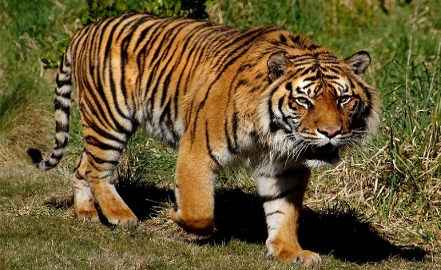
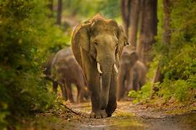
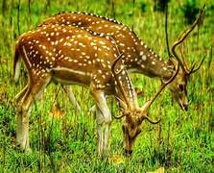

JIM CORBETT NATIONAL PARK

RIGHT PLACE TO EXPERIENCE THRILL, ADVANTURE, CRAZINESS & WILDLIFE

Call 99972-88805

FOREIGNER PRE-BOOKING & CURRENT SAFARI

Include- Jeep, Guide, Permit, Pickup & Drop From Ramnagar
Zone | Rate | 5% GST Rate | Morning Time | Afternoon Time | Resort To Ramnagar Distance
Sitawani Zone | 9100/- | 9555/- | 6:00 To 10:00 A.M. | 2:30 To 6:30 P.M. | 27 Km (1 Hour)
Bhandarpani Zone | 9100/- | 9555/- | 6:00 To 10:00 A.M. | 2:30 To 6:30 P.M. | 41 Km (1.30 Hours)
Pawalgarh Zone | 9500/- | 9975/- | 6:00 To 10:00 A.M. | 2:30 To 6:30 P.M. | 41 Km (1.30 Hours)
Phato Zone | 10200/- | 10710/- | 6:00 To 10:00 A.M. | 2:30 To 6:30 P.M. | 31 Km (1 Hour)

Location | Pickup/Drop |  | Dzire | Ertiga | Innova Crysta
Resort To Ramnagar | Round Trip |  | 3100/- | 4200/- | 6500/-

It is Mandatory to pay 5% GST as per government rules.

Note- You can visit only one zone at a time
Note- Pickup & Drop will be done from the Ramnagar
Late entries will NOT be adjusted in any other schedulen ( No return, No refund, No exchange )
In case of No-Show on the given time, the tickets will be considered cancelled and no refunds would be provided for it
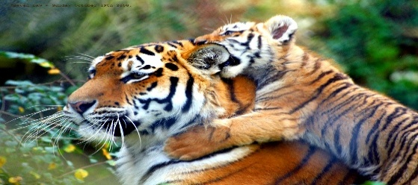 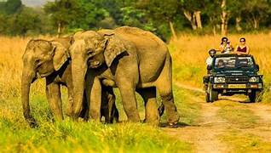 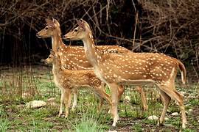

JIM CORBETT NATIONAL PARK

Jim Corbett is famous for his hunting of man-eating tigers and leopards in northern India, and for his work in wildlife
conservation. He is also the namesake of Jim Corbett National Park. The Park has many tourist attraction, including
the Corbett Museum, Dhikala Zone, Bijrani Zone, Jhirna Zone, Garjiya Zone, Dhela Zone, Durga Devi Zone,
Sitawani Zone & Phato Zone. The park is home to a high density of tigers

RIGHT PLACE TO EXPERIENCE THRILL, ADVANTURE, CRAZINESS & WILDLIFE

DHIKALA ZONE CANTER SAFARI (DAY VISIT)

INDIAN PRE-BOOKING & CURRENT SAFARI

Call 99972-88805

Include- Jeep, Guide, Permit, Pickup & Drop From Ramnagar
Zone | Rate | 5% GST Rate | Morning Time | Afternoon Time | Resort To Ramnagar Distance
Dhikala Zone | 2500/- PP | 2625/- PP | 6:00 To 11:00 A.M. | 12:00 To 5:00 P.M. | 27 Km (1 Hour)

Location | Pickup/Drop |  | Dzire | Ertiga | Innova Crysta
Resort To Dhangari Gate | Round Trip |  | 5200/- | 6500/- | 7800/-
Resort To Ramnagar | Round Trip |  | 3100/- | 4200/- | 6500/-

It is Mandatory to pay 5% GST as per government rules.

Late entries will NOT be adjusted in any other schedulen ( No return, No refund, No exchange )
In case of No-Show on the given time, the tickets will be considered cancelled and no refunds would be provided for it
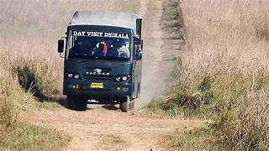
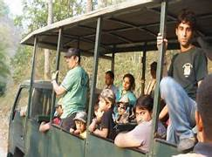


JIM CORBETT NATIONAL PARK

Jim Corbett is famous for his hunting of man-eating tigers and leopards in northern India, and for his work in wildlife
conservation. He is also the namesake of Jim Corbett National Park. The Park has many tourist attraction, including
the Corbett Museum, Dhikala Zone, Bijrani Zone, Jhirna Zone, Garjiya Zone, Dhela Zone, Durga Devi Zone,
Sitawani Zone & Phato Zone. The park is home to a high density of tigers

RIGHT PLACE TO EXPERIENCE THRILL, ADVANTURE, CRAZINESS & WILDLIFE

DHIKALA ZONE CANTER SAFARI (DAY VISIT)

FOREIGNER PRE-BOOKING & CURRENT SAFARI

Call 99972-88805
Include- Jeep, Guide, Permit, Pickup & Drop From Ramnagar
Zone | Rate | 5% GST Rate | Morning Time | Afternoon Time | Resort To Ramnagar Distance
Dhikala Zone | 4600/- PP | 4830/- PP | 6:00 To 11:00 A.M. | 11:30 To 5:00 P.M. | 27 Km (1 Hour)

Location | Pickup/Drop |  | Dzire | Ertiga | Innova Crysta
Resort To Ramnagar | Round Trip |  | 3100/- | 4200/- | 6500/-
Resort To Dhangari Gate | Round Trip |  | 5200/- | 6500/- | 7800/-
It is Mandatory to pay 5% GST as per government rules.

Late entries will NOT be adjusted in any other schedulen ( No return, No refund, No exchange )
In case of No-Show on the given time, the tickets will be considered cancelled and no refunds would be provided for it

Guest Rate Taxi Sheet 3
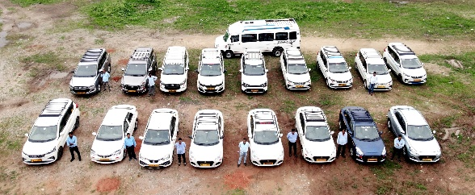

Cab Service | | Call 99972-88805

Near By Corbett local sightseeing OF debus the Fern Resort, Patkot, jim corbett
Local Sightseeing, Location | PICKUP/DROP | DZIRE/ ETIOS | ERTIGA | INNOVA/ CRYSTA | Extra Waiting
Jim Corbett Local Sightseeing | 3 Point/ Half day | 5200 | 6500 | 7800 | ₹300 Per Hour
3 Covering Point: Dhangari Museum | Garjiya Devi Temple | Suspension Bridge

Jim Corbett Local Sightseeing | 6 Point/ Full Day | 6500 | 7800 | 9800 | ₹300 Per Hour
3 Covering Point: Dhangari Museum | Garjiya Devi Temple | Suspension Bridge | Hanuman Dham Temple | Corbett Waterfall | Fun Activities

Hill.s Station OF debus the Fern Resort, Patkot, jim corbett
Local Sightseeing, Location | PICKUP/DROP | DZIRE/ ETIOS | ERTIGA | INNOVA/ CRYSTA | Extra Waiting
Nainital | Full Day | 6200 | 7500 | 9450 | ₹300 Per Hour
Kainchi Dham Temple | Full Day | 7100 | 8400 | 10400 | ₹300 Per Hour
Mukteshwar | Full Day | 8200 | 9500 | 12300 | ₹300 Per Hour
Bhimtal | Full Day | 6200 | 7500 | 9500 | ₹300 Per Hour
Ranikhet | Full Day | 7100 | 9100 | 11650 | ₹300 Per Hour
Extra Toll + Parking OF [ Nainital & Kainchi Dham Temple ]
We Provide Taxi Service At These Places
Location | PICKUP/DROP | DZIRE/ ETIOS | ERTIGA | INNOVA/ CRYSTA | Extra Waiting
Ramnagar | Pickup / Drop | 1550 | 2100 | 3250 | ₹300 Per Hour
Nainital | Pickup / Drop | 4800 | 6200 | 8500 | ₹300 Per Hour
Ranikhet | Pickup / Drop | 6100 | 7900 | 10400 | ₹300 Per Hour
Kathgodam | Pickup / Drop | 4200 | 5600 | 7400 | ₹300 Per Hour
Haldwani | Pickup / Drop | 4200 | 5600 | 7400 | ₹300 Per Hour
Pantnagar Airport | Pickup / Drop | 5200 | 6000 | 8650 | ₹300 Per Hour
Rudrapur | Pickup / Drop | 5200 | 6000 | 8650 | ₹300 Per Hour
Kashipur | Pickup / Drop | 3200 | 4000 | 6100 | ₹300 Per Hour
Moradabad | Pickup / Drop | 5200 | 6000 | 8000 | ₹300 Per Hour
Barelly | Pickup / Drop | 7100 | 8000 | 10400 | ₹300 Per Hour
Rishikesh | Pickup / Drop | 9100 | 10400 | 11700 | ₹300 Per Hour
Haridwar | Pickup / Drop | 8100 | 9700 | 10400 | ₹300 Per Hour
Dehradun / City | Pickup / Drop | 9100 | 10500 | 14900 | ₹300 Per Hour
Delhi / City | Pickup / Drop | 9100 | 10500 | 14900 | ₹300 Per Hour
Gurugram | Pickup / Drop | 9700 | 11650 | 16800 | ₹300 Per Hour
Mussoorie | Pickup / Drop | 11700 | 13000 | 17500 | ₹300 Per Hour
It is Mandatory to pay 5% GST as per government rules.
Booking without advance will not be considered. It is necessary to pay advance for booking.
Payment will not be refunded once the vehicle reaches the resort.

